Intoduction & Totalview
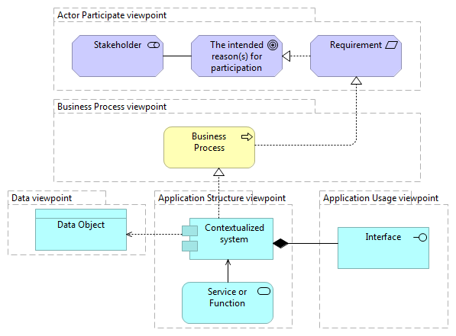
Introduction | Total view
This document can be used to aid in the creation process of a digital platform.
The document has seven viewpoints that allow one to think about the creation aspects of a digital platform.
Each viewpoint has a purpose and concepts with questions that one needs to consider.
These questions are only an indication. One can also come up with own questions.
The Business Process viewpoint comes with six identified processes that one has to consider
and place in the context of one's own digital platform. The Application and data viewpoints build upon
the choices made in the Business Process viewpoint.

How to read the model
The figure under "Total View" shows an overview of the different viewpoints and how they are related to each other.
The models are made in ArchiMate and follow the ArchiMate notation. But do not worry about the notation.
The questions allow one to understand the meaning of the concept and what to think about without understanding the notation.
The models can hold text with '1..n'. This means that one has to at least enter 1, but can enter more information in this concept.

The flow of the viewpoints
The viewpoints start with the Goal viewpoint to capture the reasons and achievements of the digital platform.
The Goal viewpoint is used in the Actor Participate viewpoint. This viewpoint captures different stakeholders
that participate in the digital platform network. Reasons to participate can hold requirements.
These need a business process to be realized. The business processes are captured in the business process viewpoint.
The Application Structure viewpoint captures the IT systems needed to realize the business processes.
Each IT system has functions and/or services that are also captured.
An IT system holds data, which is captured in the Data viewpoint, and has ways of being accessed, which is
captured in the Application Usage viewpoint
The Application Communication viewpoint can be used to capture the communication between services/functions.

Therefore, the recommended order to complete the viewpoints is:
Goal viewpoint -> Actor Participate Viewpoint -> Business Process viewpoint -> Application Structure viewpoint -> Application Usage viewpoint
-> Data viewpoint -> Application Communication viewpoint

Use of this document
When clicking on a viewpoint, One will see a model, a description of the purpose, and concepts and related questions.
One needs to think about these questions and apply them to one's own digital platform.
The answers can be written under the corresponding concept column.

For example, In the goal viewpoint, the question: "What change does the digital platform bring?" is asked.
This question belongs to the concept of reasons for creating a digital platform.
If one moves to A1, the same concept is shown. Therefore, the A column is the place to write the answers down.
One can write down the first answer to this question in A2 of the goal viewpoint.
Each question can have multiple answers and does not have to fit into one row.
One can use A2, A3, or A4 to write an answer or multiple answers to the question.
Besides, one can also come up with his/her own questions to capture the concept of reasons for creating a digital platform.

Good luck with the creation process of a digital platform!

Goal viewpoint
Reasons to create a digital platform | Intended achievements of the digital platform | Model:
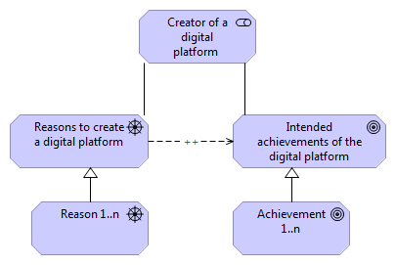

 |  | Purpose:
 |  | The goal viewpoint captures the reason one has to start a digital platform and the future plans/achievements for the digital platform.

 |  | Concepts & related questions
 |  | Reasons to create a digital platform
 |  | -What change does the digital platform bring?
 |  | -What value does the digital platform bring?
 |  | -What is the price of participation for each stakeholder?
 |  | -How does the digital platform create revenu?
 |  | -What is the (core) interaction that takes place in the digital platform?

 |  | Intended achievements of the digital platform
 |  | -Where does the digital platform stand in two years?
 |  | -What problem does the digital platform try to solve?
 |  | -What is the unique competitive advantage of the digital platform in the future?
 |  | -How big and scalable is the digital platform intended to be in the future?

Actor Participate viewpoint
Stakeholder | Intended role in eco-system | The intended reason(s) for participation | Expected value gained by participating | Ways to realize participating reason | Requirements | Limitations | Model:
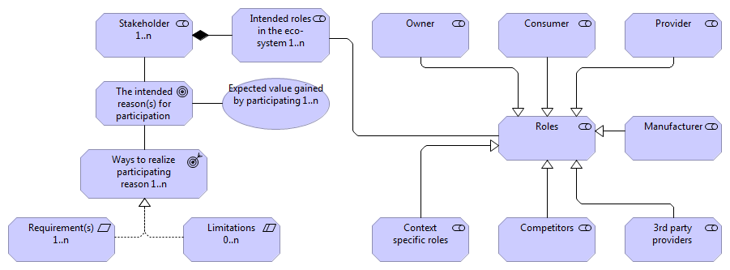

 |  |  |  |  |  |  | Purpose
 |  |  |  |  |  |  | The Actor Participate viewpoint captures the different stakeholders and their roles in the digital platform eco-system.
 |  |  |  |  |  |  | For each stakeholder, the incentive to participate is captured.

 |  |  |  |  |  |  | Concepts & related questions
 |  |  |  |  |  |  | The owner of the digital platform has the intended reason and expected value captured in the Goal viewpoint.
 |  |  |  |  |  |  | Stakeholder
 |  |  |  |  |  |  | -Who are the main stakeholders that participate in the digital platform?

 |  |  |  |  |  |  | Intended roles in the eco-system
 |  |  |  |  |  |  | -What are the roles of the stakeholders and how will they change?
 |  |  |  |  |  |  | - Roles can be: Owner, Consumer, Provider, Manufacturer, Competitor, 3rd party provider, or a context specific role

 |  |  |  |  |  |  | Intended reason(s) for participation
 |  |  |  |  |  |  | -Why would the stakeholder participate in the digital platform network?

 |  |  |  |  |  |  | Expected value gained by participating
 |  |  |  |  |  |  | -What is the value this stakeholder gains by participating in the digital platform network?
 |  |  |  |  |  |  | -Who benefits from the digital platform, and in which manner?
 |  |  |  |  |  |  | -What are the different value propositions for each stakeholders?

 |  |  |  |  |  |  | Ways to realize participating reason
 |  |  |  |  |  |  | -Which functionalities does the digital platform need to have in order to realize the intended reason to participate?
 |  |  |  |  |  |  | -How does the digital platform ensure the intended reason is realized?
 |  |  |  |  |  |  | -How does the digital platform achieve commitment of stakeholders?

 |  |  |  |  |  |  | Requirement(s)
 |  |  |  |  |  |  | -What are the requirements to realize the participating reason?
 |  |  |  |  |  |  | Note: A requirement is used in the Business Process viewpoint to create context specific business processes.

 |  |  |  |  |  |  | Limitation(s)
 |  |  |  |  |  |  | -What are the limitations created by realizing the intended reason? (If there are any)

Business Process viewpoint
Conditions management | Data management | Item/service offering | Order management | Payment | Customer management | Stakeholder | Requirement | Contextualized business process | Model:
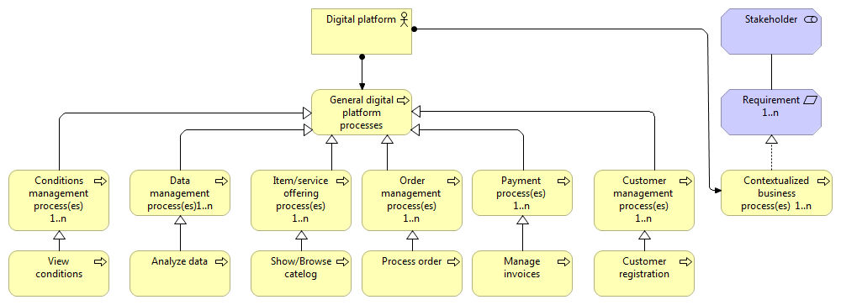

 |  |  |  |  |  |  |  |  | Purpose:
 |  |  |  |  |  |  |  |  | The Business Process viewpoint captures the various business processes that realize various business aspects,
 |  |  |  |  |  |  |  |  | such as customer management, order management, or context-specific processes.

 |  |  |  |  |  |  |  |  | Concepts & related questions
 |  |  |  |  |  |  |  |  | Condition management
 |  |  |  |  |  |  |  |  | -How openly is the data and information shared within the digital platform?
 |  |  |  |  |  |  |  |  | -How are the services/content regulated?
 |  |  |  |  |  |  |  |  | -How do users access the legal documents? When do they accept/read them?
 |  |  |  |  |  |  |  |  | -What are the contents of the privacy statement/ How is the GDPR implemented?
 |  |  |  |  |  |  |  |  | -What privileges do different roles have? /
 |  |  |  |  |  |  |  |  | -What are the general rules of the digital platform?

 |  |  |  |  |  |  |  |  | Data management
 |  |  |  |  |  |  |  |  | - How does the digital platform manage data?
 |  |  |  |  |  |  |  |  | - How does the digital platform use data to improve/ learn?
 |  |  |  |  |  |  |  |  | - Which processes produce useful data?
 |  |  |  |  |  |  |  |  | -How should data be presented, and to which stakeholders?

 |  |  |  |  |  |  |  |  | Item/service offering
 |  |  |  |  |  |  |  |  | -What are the items/services offered to consumers?
 |  |  |  |  |  |  |  |  | -Which stakeholder is responsible for which item/service?
 |  |  |  |  |  |  |  |  | -Which options do stakeholders have to find the items/services and navigate them?
 |  |  |  |  |  |  |  |  | -What is the revenue model for these items/services?
 |  |  |  |  |  |  |  |  | -Which processes are there to manage these services?

 |  |  |  |  |  |  |  |  | Order management
 |  |  |  |  |  |  |  |  | -How does the digital platform process an order? Which steps are there?
 |  |  |  |  |  |  |  |  | -How are providers notified?
 |  |  |  |  |  |  |  |  | -Which processes make up the digital platform supply chain?

 |  |  |  |  |  |  |  |  | Payment
 |  |  |  |  |  |  |  |  | -Who is responsible for the payment transactions? The digital platform or a 3rd party payment provider?
 |  |  |  |  |  |  |  |  | -How are invoices managed? How does a stakeholder access them?

 |  |  |  |  |  |  |  |  | Customer management
 |  |  |  |  |  |  |  |  | -How can stakeholders get support or complain?
 |  |  |  |  |  |  |  |  | -Do stakeholders have the option to login/register? If so, what are the benefits?
 |  |  |  |  |  |  |  |  | -Does the digital platform have newsletters? How do stakeholders subscribe?

 |  |  |  |  |  |  |  |  | Context specific business process
 |  |  |  |  |  |  |  |  | -Which requirements identified in theActor Participate viewpoint needs a business process to be realized?
 |  |  |  |  |  |  |  |  | Note: It might occur that an item/service offering also a context-specific business process is.

Application Structure viewpoint
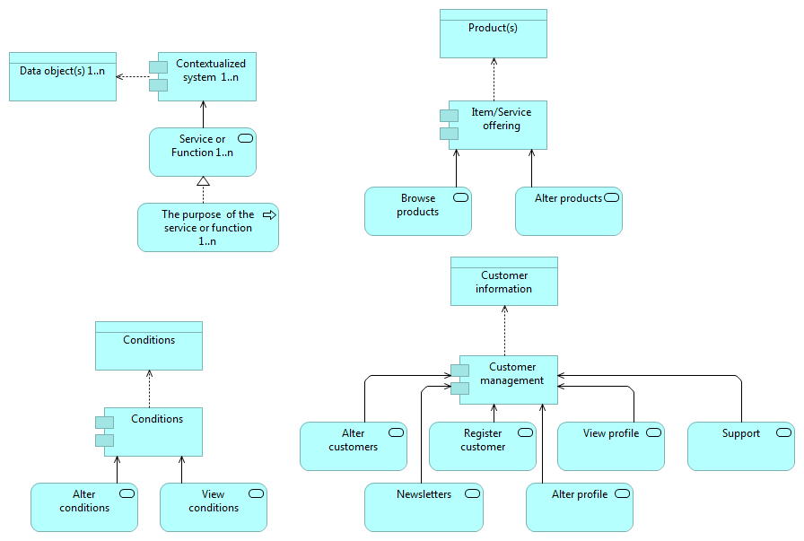
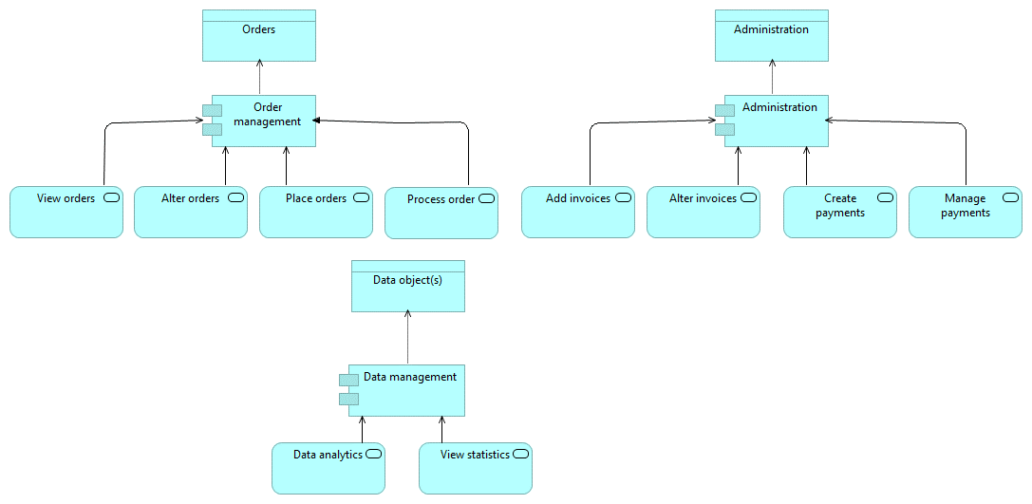
Contextualized system | Item/Service offering | Conditions | Customer management | Order managment | Data management | Administration | Model:
Service or Function
The purpose of the service or function
Data object(s)

 |  |  |  |  |  |  | Purpose:
 |  |  |  |  |  |  | The Application Structure viewpoint captures the different systems and their services and functions that are required to realize the business processes of the digital platform.

 |  |  |  |  |  |  | Concepts& related questions
 |  |  |  |  |  |  | The answer to the related questions builds upon answers given by the Business Process viewpoint and provides an indication of what to look for.
 |  |  |  |  |  |  | For example: if a digital platform uses a payment provider, the administration questions are irrelevant.

 |  |  |  |  |  |  | Meta model
 |  |  |  |  |  |  | Contextualized system: an encapsulation of application functionality aligned to support or realizes a specific set of business processes within the digital platform. It encapsulates its behavior and data, exposes functions or services, and makes them available through interfaces.
 |  |  |  |  |  |  | Service or Function: behavior that the contextualized system can perform to realize business processes. Services are external behavior and functions are internal behavior.
 |  |  |  |  |  |  | The purpose of the service or function: a short textual implementational description on a high level of the service or function, which describes the purpose or behavior performed when the service or function is implemented.
 |  |  |  |  |  |  | Data object: a high-level object that contains information about a topic structured for automated processing within the digital platform.

 |  |  |  |  |  |  | Based on the Business Process viewpoint the six identified processes are seen as IT systems:
 |  |  |  |  |  |  | Item/Service offering
 |  |  |  |  |  |  | -How does the system present the item/services?
 |  |  |  |  |  |  | -What are the functions/options the digital platform has concerning the items/services? (example: browse products)

 |  |  |  |  |  |  | Conditions
 |  |  |  |  |  |  | -How are the conditions stored in the system?
 |  |  |  |  |  |  | -Is there an editor or does the system read a word document with conditions in it?
 |  |  |  |  |  |  | -What kind of functionalty does there need to be in order to show the conditions to users?

 |  |  |  |  |  |  | Customer management
 |  |  |  |  |  |  | -How are support requests managed? An e-ticket system can be an outcome.
 |  |  |  |  |  |  | -How does the registration process look?
 |  |  |  |  |  |  | -Does a stakeholder have a profile? If so, what information is stored on the profile?
 |  |  |  |  |  |  | -How does a stakeholder edit and access the profile?

 |  |  |  |  |  |  | Order management
 |  |  |  |  |  |  | -How does a consumer view an order?
 |  |  |  |  |  |  | -Can a consumer change an order once placed? If so, for which duration?
 |  |  |  |  |  |  | -How does the digital platform process the order?
 |  |  |  |  |  |  | -Which steps does this processing contain and what needs to be registered in the system?

 |  |  |  |  |  |  | Data management
 |  |  |  |  |  |  | -Which analysis techniques does the system need to perform?
 |  |  |  |  |  |  | -Which visualization techniques does the system support?
 |  |  |  |  |  |  | -How can a stakeholder start an analysis?
 |  |  |  |  |  |  | -Which stakeholder can start an analysis?
 |  |  |  |  |  |  | -How are the statistics accessible?

 |  |  |  |  |  |  | Administration
 |  |  |  |  |  |  | -Which steps can a stakeholder take when managing invoices?
 |  |  |  |  |  |  | -Which steps does the system go through when executing a payment?
 |  |  |  |  |  |  | -Where can stakeholders manage invoices?
 |  |  |  |  |  |  | -How does the system deal with different tax rates?

 |  |  |  |  |  |  | Context specific
 |  |  |  |  |  |  | When there are business processes created by stakeholders, these can be placed here. What does the system do to support a business process? Which functions/services does it have?
 |  |  |  |  |  |  | -How do the function or services work? Which data is created by these functions or services?

Application Usage viewpoint
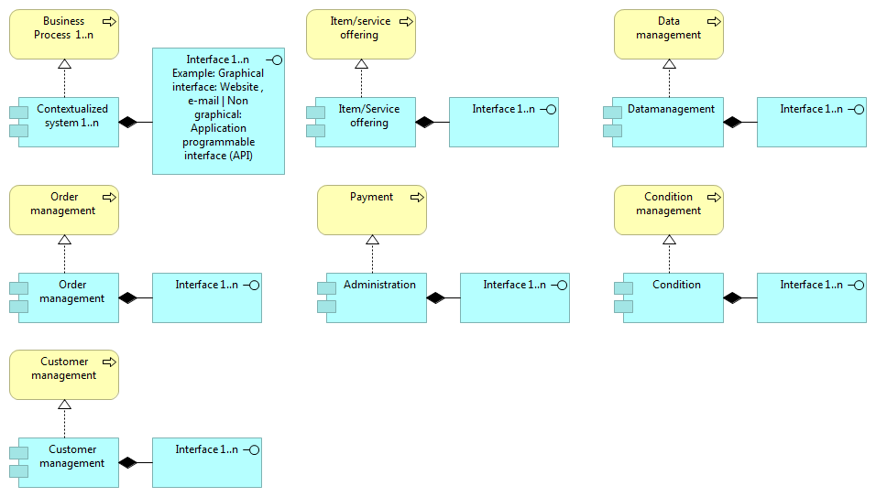
Business process | Item/service offering | Data management | Order management | Payment | Condition management | Customer management | Model:
Contextualized system | Item/service offering | Data management | Order management | Administration | Condition management | Customer management
Interface

 |  |  |  |  |  |  | Purpose:
 |  |  |  |  |  |  | The Application Usage captures the realization of business processes by the identified IT systems and the accessibility of these IT systems.

 |  |  |  |  |  |  | Concepts& related questions
 |  |  |  |  |  |  | The identified systems in Business Process and Application Structure viewpoint are combined in this viewpoint
 |  |  |  |  |  |  | to see if each business process is realized, and each IT system has a task.

 |  |  |  |  |  |  | Meta model
 |  |  |  |  |  |  | Business Process: A business process identified in the Business Process viewpoint
 |  |  |  |  |  |  | Contextualized system: A IT system identified in the Application Structure viewpoint that contains the functionality to realize the business process.
 |  |  |  |  |  |  | Interface: Possible ways to access the functionalities provided by the system. These can be graphical, website, or non-graphical APIs.

 |  |  |  |  |  |  | The related question for each system is the same:
 |  |  |  |  |  |  | -How to ensure access to the platform?
 |  |  |  |  |  |  | -How does the system provide its functionalities?
 |  |  |  |  |  |  | Graphical: How does the webpage look? Does it have a login form? Describe the general layout of the webpage and how it realizes the business function.
 |  |  |  |  |  |  | Non-Graphical: What are the functions that the API has. Describe how another system can interact with the API.

 |  |  |  |  |  |  | What is an API?
 |  |  |  |  |  |  | An application programming interface (API) is a connection between computers or between computer programs.
 |  |  |  |  |  |  | It is a type of software interface, offering a service to other pieces of software.
 |  |  |  |  |  |  | This is used for direct communication, so there is no website on which a user goes.
 |  |  |  |  |  |  | More information see: https://en.wikipedia.org/wiki/API

 |  |  |  |  |  |  | What do I need?
 |  |  |  |  |  |  | As a rule of thumb, if there is data (like text) that comes from a machine and needs to be read by a human, or text from a human to the machine, you want a graphical interface
 |  |  |  |  |  |  | (also known as human-to-machine communication). If there is data that comes from one machine to another machine, you want an API (also known as machine-to-machine).

Data viewpoint
Data object | Model:
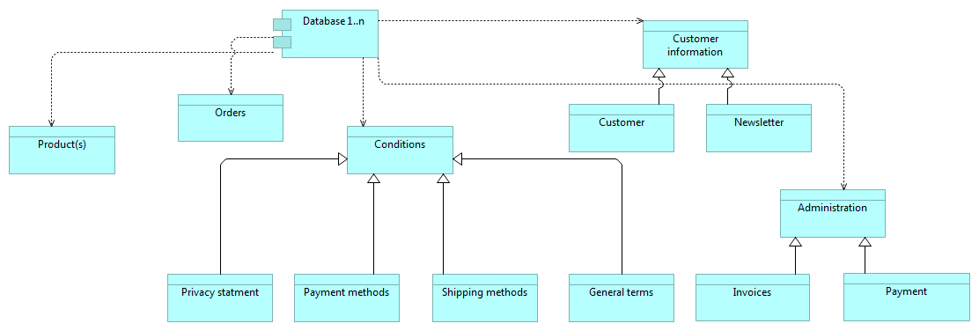

 | Purpose:
 | The Data viewpoint captures all data objects within the digital platform. These are used in other viewpoints to clarify how the data is used.

 | Concept & related questions
 | Data object
 | -What are the different data objects created in the Application Structure viewpoint?
 | -What do these data objects contain, and how are they related to other data objects?
 | -How is the data within this viewpoint used to improve the digital platform?
 | -Does every data object belong to the same database? Or are there multiple databases?

